.2 Leases
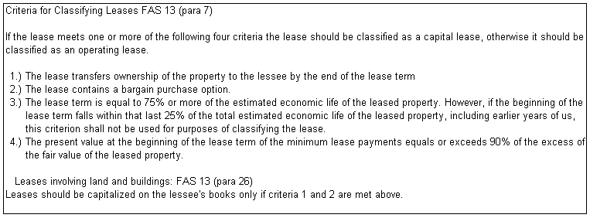
Sample Company |  |  |  |  | 11-1.2
Lease Roll Forward
9/30/10

 | Tests
 | 1 | Does ownership pass to the leasee at the end of the lease?
 | 2 | Does the lease contain a bargain purchase option?
 | 3 | Does the lease term cover 75% of the asset's economic useful life?
 | 4 | Is the sum of the PV of the minimum lease payments greater than or equal to 90% of the assets fair value?

If any of the above 4 criteria is a "yes" then the lease is a capital lease, if all criteria are "no", then the lease is an operating lease.

 | Lease | Financial | Financial Inst. | Asset | FV or Cost of | Lease | Monthly | Borrowing |  | Lease Payments |  |  |  |  |  | Criteria Met (Y/N)
 | Type | Institution | Account No. | Description | Asset | Term (Months) | Payment | Rate | Current Year | 2011 | 2012 | 2013 | 2014 | 2015 | Thereafter | 1 | 2 | 3 | 4
1 | Capital | Bank of Texas | 11111 | Big Trucuk | 260,860 | 60 mo | 6,145 | 11.45% | 46,983 | 46,983 | 22,183 |  |  |  |  | N | Y | N | Y
2 | Capital | Bank of Texas | 22222 | Big Trucuk | 90,000 | 60 mo | 2,063 | 13.33% | 16,808 | 16,808 | 8,026 |  |  |  |  | N | Y | N | Y
3 | Capital | Main Street Bank | 33333 | Portable Water Tank | 79,000 | 48 mo | 1,863 | 6.50% | 20,887 | 20,887 | 10,971 |  |  |  |  | N | Y | N | Y
4 | Capital | OutSource (North Texas Credit) | 44444 | Building | 635,307 | 48 mo | 14,780 | 9.66% | 161,055 | 161,055 | 66,625 |  |  |  |  | N | Y | N | Y
5 | Capital | Hibernia Bank/Patricia Melton | 55555 | Tractor | 53,590 | 60 mo | 1,841 | 11.03% | 12,199 | 12,199 | 7,366 |  |  |  |  | N | Y | N | Y
6 | Capital | Clement Finance & Leasing | 66666 | Storage container | 80,880 | 60 mo | 1,157 | 7.49% | 9,529 | 9,529 | 10,268 | 11,060 | 11,917 | 18,664 |  | N | Y | N | Y
7 | Capital | ACC Capital | 77777 | Thomas Pump | 170,989 | 48 mo | 4,531 | 12.90% | 44,333 | 44,333 | 21,942 | 0 |  |  |  | N | Y | N | Y
8 | Capital | Maxus #1 | 88888 | Tractor | 161,280 | 60 mo | 6,099 | 9.75% | 13,648 | 13,648 | 56,375 | 71,003 | 7,272 |  |  | N | Y | N | Y
9 | Capital | Maxus #2 | 99999 | Tractor | 247,805 | 60 mo | 5,234 | 9.75% | 11,708 | 11,708 | 48,376 | 60,930 | 6,240 |  |  | N | Y | N | Y
10 | Capital | CoActive Capital | 111110 | Tractor | 301,987 | 60 mo | 6,840 | 12.96% | 58,556 | 58,556 | 66,614 | 75,784 | 6,767 |  |  | N | Y | N | Y
 | TOTAL CAPITALIZED |  |  |  |  |  |  |  | 395,706 | 395,706 | 318,746 | 218,777 | 32,196 | 18,664

 | Lease | Financial | Financial Inst. | Asset | FV or Cost of | Lease | Monthly | Borrowing |  | Lease Payments |  |  |  |  |  | Criteria Met (Y/N)
 | Type | Institution | Account No. | Description | Asset | Term (Months) | Payment | Rate | Current Year | 2011 | 2012 | 2013 | 2014 | 2015 | Thereafter | 1 | 2 | 3 | 4
11 | Operating | Altec Capital | 11111 | CAT D8T, 400EI, 740 (2) | N/A | 60 mo | 24,229 | N/A | 290,748 | 290,748 | 290,748 | 290,748 | 169,603 |  |  | N | N | N | N
12 | Operating | Capital Advance | 22222 | CAT 740 (2) | N/A | 39 mo | 15,160 | N/A | 181,920 | 181,920 | 181,920 | 181,920 | 136,440 |  |  | N | N | N | N
13 | Operating | Celtic Leasing | 33333 | CAT 14H, 623G | N/A | 32 mo | 8,000 | N/A | 121,914 | 121,914 | 121,914 | 96,000 | 96,000 | 16,000 |  | N | N | N | N
14 | Operating | First American | 44444 | GPS Blade Pro | N/A | 60 mo | 4,545 | N/A | 54,540 | 54,540 | 54,540 | 54,540 | 54,540 | 54,540 | 54,540 | N | N | N | N
15 | Operating | First American | 55555 | Milling Machine | N/A | 60 mo | 4,472 | N/A | 53,664 | 53,664 | 53,664 | 53,664 | 53,664 | 53,664 | 67,080 | N | N | N | N
16 | Operating | Ford Motor Credit | 66666 | F350 | N/A | 80 mo | 870 | N/A | 10,440 | 10,440 | 10,440 | 10,440 | 5,220 |  |  | N | N | N | N
17 | Operating | John Deere Credit | 77777 | Baler | N/A | 60 mo | 642 | N/A | 7,704 | 7,704 | 7,704 | 7,704 | 7,704 | 7,704 | 7,062 | N | N | N | N
18 | Operating | M & T Bank | 88888 | Pulvimixer, CAT 740, | N/A | 60 mo | 8,297 | N/A | 99,564 | 99,564 | 99,564 | 99,564 | 99,564 |  |  | N | N | N | N
19 | Operating | Marquette Equipment Finance | 99999 | CAT D8T, MT965(2) E-22 (4) | N/A | 52 mo | 33,898 | N/A | 406,776 | 406,776 | 406,776 | 406,776 | 406,776 | 169,490 |  | N | N | N | N
20 | Operating | Union Leasing | 111110 | Ford & Dodge trucks | N/A | 48 mo | 18,944 | N/A | 227,328 | 227,328 | 227,328 | 217,932 | 164,952 | 89,424 |  | N | N | N | N
 | TOTAL OPERATING |  |  |  |  |  |  |  | 1,454,598 | 1,454,598 | 1,454,598 | 1,419,288 | 1,194,463 | 390,822 | 128,682

